SHELL
NITRO WOMENS JACKET |  |  |  |  |  |  | SAMPLE SIZE SMALL / XS-L
SEASON: |  | WINTER 2018/2019 |  |  | CONTRACTOR:
STYLE NUMBER: |  | W18-104 |  |  | DATE CREATED: |  | 2017-04-10
STYLE NAME: |  | CIRQUE |  |  | DATE REVISED:
WATERPROOF/BREATHABILITY: |  | 15K/15K |  |  | BLOCK: |  | 0
SEAM SEALING: |  | CRITICALLY SEAM SEALED |  |  | FIT:
INSULATION: |  | 60G INSULATION ALL OVER |  |  | TARGET FOB:
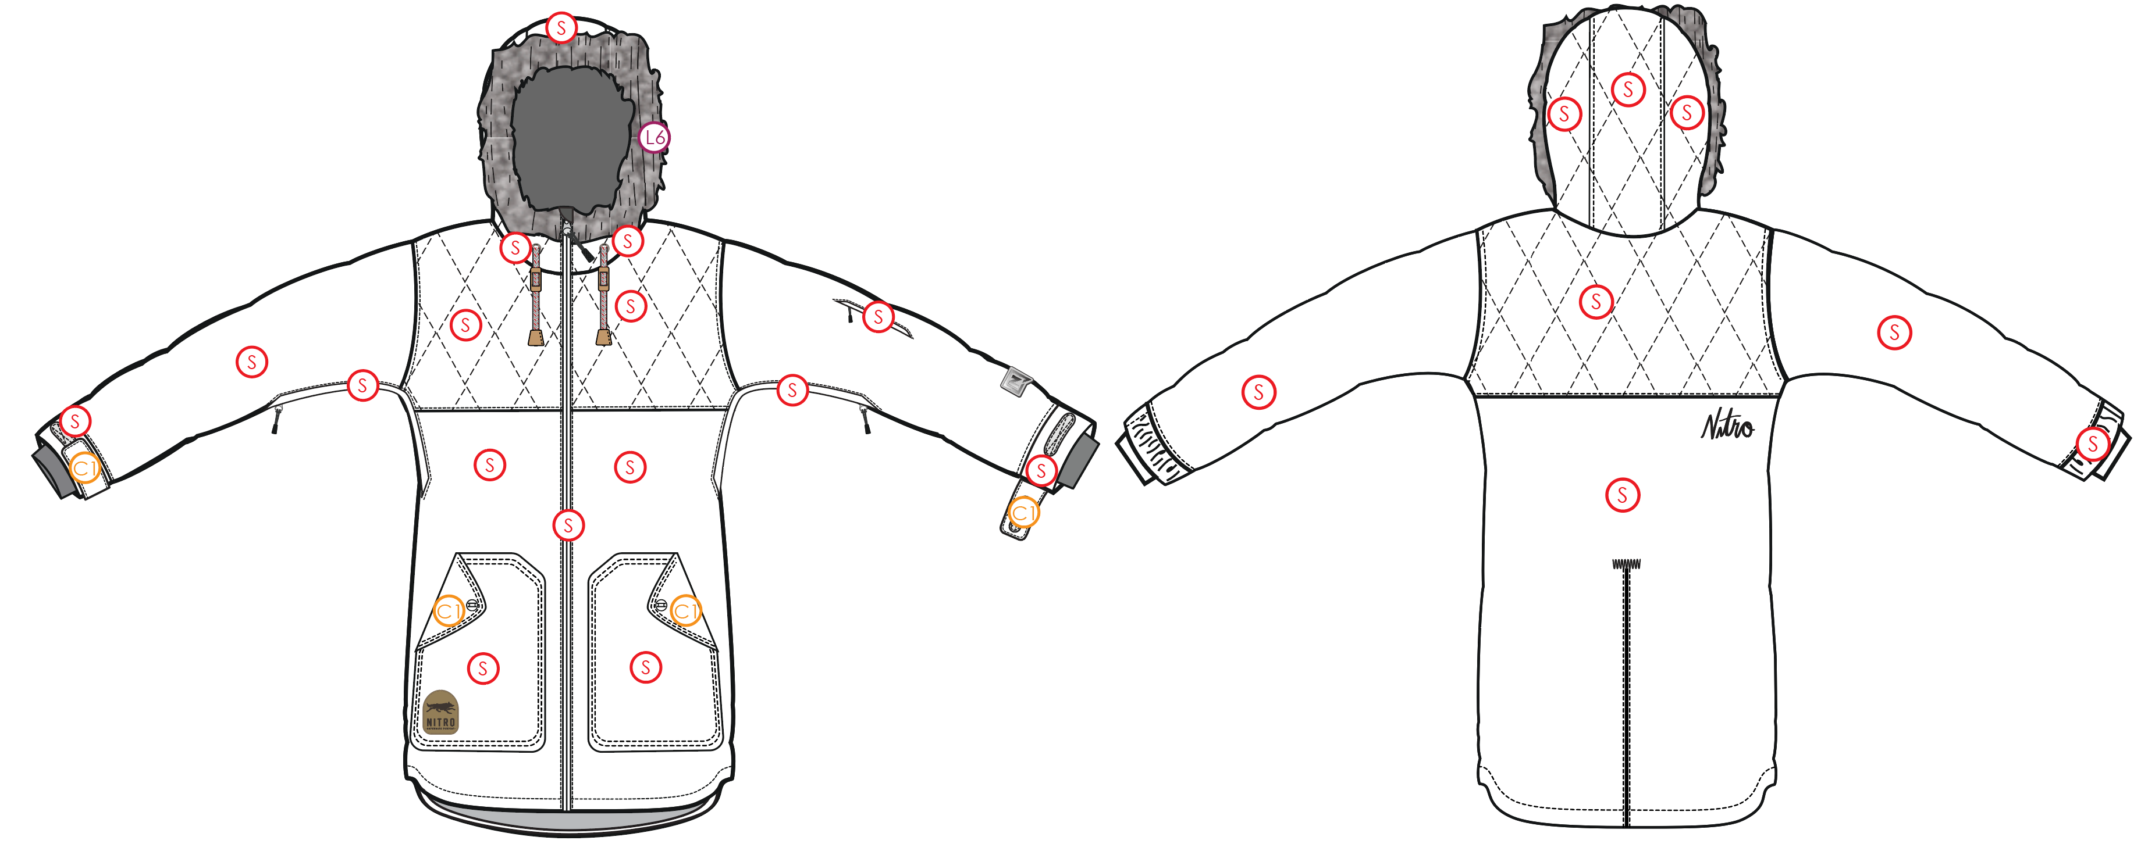
 |  |  |  | COLORWAYS
SHELL FABRIC | SUPPLIER/ REFERENCE NUMBER | LOCATION | CONTENT | COLORWAY 1 | COLORWAY 2 | COLORWAY 3 | COLORWAY 4 | COLORWAY 5
 | Lucky / C3170045-X melange*2L | "S" |  | COLOR
 | W+ WNP122-BJ45R4 2L | "C1" (HAND POCKET FLAPS) (CUFF TABS) |  | COLOR
 | Faux Shearling fleece #4KF0300 / Contact Rebecca Siu rebecca@texfactor.com Texfactor Textiles Ltd/ Yiyibai E-commerce Ltd Unit 2211, 22/F., Oriental Plaza, 1072 Jian She Road, Luo Hu District, Shenzhen, China Tel: 0755-25560013 Mobile: 852-6195 2077 http://www.texfactor.com | HOOD FUR |  | Faux Shearling fleec #4KF0300

INSULATION | SUPPLIER/ REFERENCE NUMBER | LOCATION | CONTENT | COLORWAY 1 | COLORWAY 2 | COLORWAY 3 | COLORWAY 4 | COLORWAY 5 | 0
 | 60G Pinneco Mantle-B-060-152 | ALL OVER |  | 60G

SEAM TAPE | SUPPLIER/ REFERENCE NUMBER | LOCATION | CONTENT | COLORWAY 1 | COLORWAY 2 | COLORWAY 3 | COLORWAY 4 | COLORWAY 5 | 0
SEAM TAPE | TSGS | CRITICALLY TAPED |  | CRITICALLY TAPED

LINING | SUPPLIER/ REFERENCE NUMBER | LOCATION | CONTENT | COLORWAY 1 | COLORWAY 2 | COLORWAY 3 | COLORWAY 4 | COLORWAY 5 | 0
SOLID 210T | SOLIS / SONP006-1 | HOOD | 100% NYLON | COLOR
SOLID 210T | SOLIS / SONP006-1 | MAIN BODY | 100% NYLON | COLOR
SOLID 210T | SOLIS / SONP006-1 | SLEEVES | 100% NYLON | COLOR
SOLID 210T | SOLIS / SONP006-1 | SECONDARY POCKET BAGS | 100% NYLON | COLOR
SOLID COATED 210T | SOLIS / SONP006-PU03 | LOWER BODY & POWDER SKIRT | 100% POLYESTER | COLOR
BRUSHED TRICOT | SUPPLIER / REF CODE | HAND POCKET BAGS | 100% POLYESTER | COLOR
BRUSHED TRICOT | SUPPLIER / REF CODE | CHIN GUARD | 100% POLYESTER | COLOR
POWER STRETCH MESH | SUPPLIER / REF CODE | UNDERARM VENTS | 100% POLYESTER | COLOR
POWER STRETCH MESH | SUPPLIER / REF CODE | GOGGLE POCKET | 100% POLYESTER | COLOR
LYCRA | SUPPLIER / REF CODE | SLEEVE GAITERS | CONTENT | COLOR

MEASUREMENTS
NITRO WOMENS JACKET |  |  |  |  |  |  |  | SAMPLE SIZE SMALL / XS-L
SEASON: |  | WINTER 2018/2019 |  |  |  |  |  | CONTRACTOR: |  |  |  |  |  | 0
STYLE NUMBER: |  | W18-104 |  |  |  |  |  | DATE CREATED: |  |  |  |  |  | 2017-04-10
STYLE NAME: |  | CIRQUE |  |  |  |  |  | DATE REVISED: |  |  |  |  |  | 0
WATERPROOF/BREATHABILITY: |  | 15K/15K |  |  |  |  |  | BLOCK: |  |  |  |  |  | 0
SEAM SEALINING: |  | CRITICALLY SEAM SEALED |  |  |  |  |  | FIT: |  |  |  |  |  | 0
INSULATION: |  | 60G INSULATION ALL OVER |  |  |  |  |  | TARGET FOB: |  |  |  |  |  | $0.00
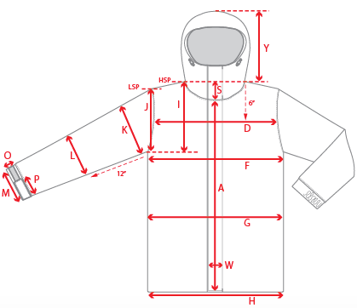 |  |  | 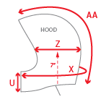 |  |  | 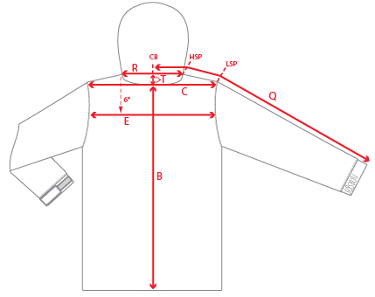
 |  |  |  | 1ST PROTO |  |  | 2ND PROTO |  |  | 3RD PROTO |  |  | S/SAMPLE |  |  | PP SAMPLE |  | FINAL
 |  |  | DATE: |  |  | DATE: |  |  | DATE: |  |  | DATE: |  |  | DATE:
 |  | TOL +/- | INITIAL MEASMNT | SAMPLE MEASURES | REVISE TO | REQUESTED | SAMPLE MEASURES | REVISE TO | REQUESTED | SAMPLE MEASURES | REVISE TO | REQUESTED | SAMPLE MEASURES | REVISE TO | REQUESTED | SAMPLE MEASURES | REVISE TO | APPROVED MEASMNTS
A | CF LENGTH - FROM NECKLINE | 0.25 | 24
B | CB LENGTH - FROM NECKLINE | 0.25 | 27.75
C | SHOULDER WIDTH | 0.25 | 16
D | ACROSS FRONT- 6" FROM HPS | 0.25
E | ACROSS BACK- 6" FROM HPS | 0.25
F | CHEST WIDTH - 1" BELOW ARMHOLE (1/2 MEASURE) | 0.25 | 21
G | WAIST WIDTH - FROM HSP: XS-16", S-16.5", M-17", L-17.5" (1/2 MEASURE) | 0.25 | 20
 | HIP WIDTH - FROM HSP: XS-22", S-22.5", M-23", L-23.5" (1/2 MEASURE) | 0.25
H | HEM OPENING - (1/2 MEASURE) | 0.25 | 22
I | ARMHOLE FRM HSP - STRAIGHT (1/2 MEASURE) | 0.125
J | ARMHOLE FRM LSP - STRAIGHT (1/2 MEASURE) | 0.125 | 9.75
K | BICEP - 1" BELOW UNDERARM (1/2 MEASURE) | 0.125 | 8.625
L | ELBOW - 10" BELOW UNDERARM (1/2 MEASURE) | 0.125 | 7
M | SLEEVE OPENING - RELAXED (1/2 MEASURE) | 0.125 | 5.75
N | SLEEVE OPENING - STRETCHED (1/2 MEASURE) | 0.125 | 6.25
 | WRIST GATOR LENGTH | 0.125 | 3.375
 | WRIST GATOR OPENING (1/2 MEASURE) | 0.125 | 3.5
O | CUFF HEIGHT | 0.125 | 1.75
P | CUFF TAB LENGTH | 0.125 | 4
Q | CB SLEEVE LENGTH - 3 PT MEASURE FROM CB | 0.25 | 34.5
R | NECK WIDTH - STRAIGHT HPS TO HPS (1/2 MEASURE) | 0.125 | 9.5
S | FRONT NECK DROP - FROM HSP | 0.125 | 4
T | BACK NECK DROP - FROM HSP | 0.125 | 1
U | CF COLLAR HEIGHT | 0.125 | 4.25
V | CB COLLAR HEIGHT | 0.125
W | CENTER FRONT PLACKET WIDTH | 0.125
X | COLLAR CIRCUMFERENCE | 0.25 | 27.5
Y | HOOD HEIGHT - SHOULDER SEAM TO TOP | 0.125 | 14.5
Z | HOOD WIDTH - 8" DOWN | 0.125 | 10.25
AA | HOOD RUN | 0.25 | 20.75
 | HOOD DRAWCORD LENGTH - EXPOSED - PER SIDE | 0.5 | 7
AB | POWDER SKIRT LENGTH - EDGE TO EDGE, RELAXED | 0.5
AC | WAIST GAITER ELASTIC - FULL MEAS. RELAXED | 0.5 | 29.5
AD | WAIST GAITER ELASTIC - MIN. FULL MEAS. EXTENDED | 0.5 | 37
AE | POWDER SKIRT HEIGHT AT CB (INCLUDES ELASTIC) | 0.25 | 6.25
 | CHEST POCKET FLAP LENGTH | 0.125
 | CHEST POCKET FLAP HEIGHT AT CENTRE | 0.125
 | HAND POCKET WELT/FLAP LENGTH | 0.125
 | HAND POCKET FLAP HEIGHT AT CENTRE | 0.125
 | HAND POCKET FLAP HEIGHT AT SIDES | 0.125
 | SLEEVE POCKET WELT WIDTH | 0.125 | 0.75
ZIPPERS | #N/A | 0.25 | 28
 | #N/A | 0.125 | 4.75
 | #N/A | 0.25 | 10
 | #N/A | 0.125 | 6.25
 | #N/A | 0.125 | 7

 | ZIPPER RULES:
 | CF = XXX SHORTER THAN CF LENGTH

